Heatbalance
 |  |  |  |  |  |  | xe (kgawater/kgdryair) | Site Outdoor Air Humidity Ratio
Thermal zone | Masterbed | Conditioned area (m2) | 100 | Height (m) | 3 |  | xi (kgawater/kgdryair) | Zone Air Humidity Ratio |  |  |  |  |  |  |  |  |  |  |  |  |  |  |  |  | Natural ventilation and infiltration gain/Loss
date | Outdoor Dbt (°C) | Indoor Dbt (°C) | ΔT (°K) | xe (kgawater/kgdryair) | xi (kgawater/kgdryair) | xe-xi (kgwater/kgdryair) | ΔT >0 | Heat loss |  |  |  |  |  |  | GuideF conventional Surface Thermal Resistance (Convection+radiation) |  |  |  |  |  |  |  |  |  |  | EPDRM Outdoor DBT (°C) | Setpoint (°C) | ΔT (°C) | h per month | Hve (W/K) | Qve (kW) | Qve(kWh) | then
01/01 05:00:00 | 14.83 | 17.49 | 2.66 | 0.007039279681 | 0.007228712941 | -0.00018943325998 | ΔT <0 | Heat gain |  |  |  |  |  |  | [m2K/W] | Upwards (Roofs) | Horizontal (exp. Walls) | Downwards (exp floors) |  |  |  |  |  |  | Jan | 12.2 | 19 | 6.8 | 744 | 437.71 | 2.976428 | 2214.462432 | Qh/Qc= ΣQtr+Qve
 |  |  |  |  |  |  |  |  |  |  |  |  |  |  | Rsi | 0.14 | 0.1 | 0.14 |  |  |  |  |  |  | Feb | 12.4 | 19 | 6.6 | 672 | 437.71 | 2.888886 | 1941.331392
 | Surface thermal resistance in U value not included because is calculated by Eplus |  |  |  |  |  |  |  |  |  |  |  |  |  | Rse | 0.04 | 0.06 | 0.04 |  |  |  |  |  |  | Mar | 13.4 | 19 | 5.6 | 744 | 437.71 | 2.451176 | 1823.674944
Convection and conduction | Exposure | Opaque Area (m2) | U value (W/m2K) | SubTotal wall Conduction Heat Transfer (W/K) | Glazing Area (m2) | U value (W/m2K) | SubTotalGlazing Transfer (W/K) | Total Conduction Heat Transfer (W/K) | Total Conduction Heat Transfer (W) |  |  |  |  |  |  |  |  |  |  |  |  |  |  |  | Apr | 15.5 | 19 | 3.5 | 720 | 437.71 | 1.531985 | 1103.0292
 | west | 28 | 0.83 | 23.24 | 1.272 | 2.8 | 3.5616 | 104.4902 | 277.943932 |  | 17.6064 | 46.833024 |  |  | GuideF conventional Surface Thermal Transmittance (Convection+radiation) |  |  |  |  |  |  |  |  |  | May | 19.1 | 26.5 | 7.4 | 744 | 437.71 | 3.239054 | 2409.856176
 | NW | 18.69 | 1.36 | 25.4184 | 1.656 | 2.8 | 4.6368 |  |  |  |  |  |  |  | [W/m2K] | Upwards (Roofs) | Horizontal (exp. Walls) | Downwards (exp floors) |  |  |  |  |  |  | Jun | 23 | 26.5 | 3.5 | 720 | 437.71 | 1.531985 | 1103.0292
 | SE | 10.06 | 1.34 | 13.4804 |  |  | 0 |  |  |  |  |  |  |  | Usi | 7.1428571429 | 10 | 7.1428571429 |  |  |  |  |  |  | Jul | 25.9 | 26.5 | 0.6 | 744 | 437.71 | 0.262626 | 195.393744
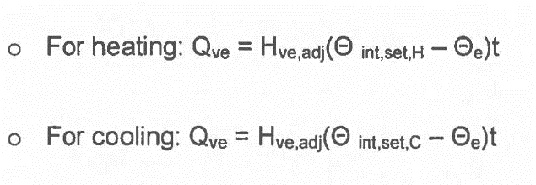
 | S | 25.25 | 0.98 | 24.745 | 3.36 | 2.8 | 9.408 |  |  |  |  |  |  |  | Use | 25 | 16.666666667 | 25 |  |  |  |  |  |  | Aug | 26.3 | 26.5 | 0.2 | 744 | 437.71 | 0.087542 | 65.131248
 |  |  |  |  |  |  |  |  |  |  |  |  |  |  |  |  |  |  |  |  |  |  |  |  | Sep | 24.1 | 26.5 | 2.4 | 720 | 437.71 | 1.050504 | 756.36288
 | ACH -sensible | Volume (m3) | air Density * specific Heat (Wh/m3 K) | Infiltration (m) | ACH inf | Eplus Schedule Coefficient | Convection Heat Transfer Sensible(Wh) |  |  |  |  |  |  |  |  |  |  |  |  |  |  |  |  |  | Oct | 20.7 | 26.5 | 5.8 | 744 | 437.71 | 2.538718 | 1888.806192
 | 0.9 | 300 | 0.33333333333 |  |  | 1 | 239.4 |  |  |  |  |  |  |  | From EPDRM Notes |  |  |  |  |  |  |  |  |  | Nov | 17 | 19 | 2 | 720 | 437.71 | 0.87542 | 630.3024
 | ACH -latent | Volume (m3) | r calore latente di vaporizzazione dell’acqua (Wh/ Kg) | densita dellária (kg/m3) | Infiltration (m) | ACH inf | Eplus Schedule Coefficient | Convection Heat Transfer Latent (Wh) |  |  |  |  |  |  | Month | Isol_Daily global solar irradiation, W/m2 |  |  |  |  |  |  |  |  | Dec | 13.8 | 19 | 5.2 | 744 | 437.71 | 2.276092 | 1693.412448
 | 0.9 | 300 | 694.72222222 | 1.2 |  |  | 1 | -42.639532488 |  |  |  |  |  |  |  | HOR | VERTICAL
 |  |  |  |  |  |  |  |  |  |  |  |  |  |  |  |  | N | NE | E | SE | S | SW | W | NW
 |  |  |  |  |  |  |  |  |  |  |  |  |  |  | Jan | 109.6 | 28.8 | 30.4 | 66.7 | 125.8 | 170.0 | 136.7 | 75.8 | 32.5
 |  |  |  |  |  |  |  |  |  |  |  |  |  |  | Feb | 149.6 | 40.0 | 47.9 | 95.0 | 150.0 | 182.1 | 144.6 | 90.0 | 46.3
Internal Gain and solar gains | Exposure | Solar beam (W/m2) | Shading Factor | Opaque Area (m2) | Ext Adsorptance | U value (W/m2K) | Thermal Transmittance of ext surface (W/m2K) | Conductive Solar Heat Gain (W) | Total Conductive Solar Heat Gain (W) |  |  |  |  |  | Mar | 208.3 | 49.6 | 71.3 | 126.3 | 165.0 | 180.4 | 164.6 | 127.5 | 73.8
 | H | 0 | 0.59 | 42.72 | 0.9 | 0.49 | 25 | 0 | 0 |  |  |  |  |  | Apr | 247.9 | 59.6 | 99.2 | 146.7 | 155.8 | 137.9 | 149.2 | 139.2 | 95.4 |  |  |  |  |  |  |  |  | and internal gains
 | NW | 0 | 1 | 18.69 | 0.5 | 1.25 | 16.66 | 0 |  |  |  |  |  |  | May | 305.8 | 77.9 | 130.4 | 172.5 | 159.2 | 119.2 | 159.2 | 171.3 | 129.2
 | SE | 0 | 0.8 | 10.06 | 0.5 | 1.19 | 16.66 | 0 |  |  |  |  |  |  | Jun | 324.6 | 95.0 | 150.4 | 185.8 | 155.8 | 102.5 | 154.2 | 183.8 | 148.8
 | S | 0 | 1 | 25.25 | 0.5 | 0.87 | 16.66 | 0 |  |  |  |  |  |  | Jul | 330.0 | 85.0 | 139.6 | 180.4 | 158.8 | 110.0 | 162.5 | 187.9 | 146.3
 |  |  |  |  |  |  |  |  |  |  |  |  |  |  | Aug | 290.4 | 65.0 | 114.6 | 165.0 | 166.7 | 139.2 | 165.0 | 162.1 | 112.5
 | Exposure | Solar beam (W/m2) | Shading Factor | Glazing Area (m2) | g value | Direct Solar Heat Gain (W) | Room Adsorptance | Total Direct Solar Heat Gain (W) |  |  |  |  |  |  | Sep | 234.2 | 54.2 | 89.6 | 147.9 | 175.4 | 172.9 | 164.2 | 135.0 | 82.5
 | H | 0 | 1 | 1.272 | 0.52 | 0 | 0.8 | 0 |  |  |  |  |  |  | Oct | 170.8 | 42.5 | 52.5 | 100.8 | 151.3 | 186.2 | 160.0 | 109.2 | 55.8
 | NW | 0 | 0.82 | 1.656 | 0.52 | 0 |  |  |  |  |  |  |  |  | Nov | 127.1 | 33.3 | 38.8 | 86.7 | 150.8 | 185.8 | 139.6 | 77.5 | 36.3
 | SE | 0 | 0.79 | 3.36 | 0.52 | 0 |  |  |  |  |  |  |  |  | Dec | 96.7 | 28.3 | 29.2 | 60.0 | 115.8 | 149.6 | 113.8 | 58.8 | 29.2
 |  |  |  |  |  | 0

 | People Heat Gain (W/m2) | Eplus schedule coefficient | Light Heat Gain (W/m2) | Eplus schedule coefficient | Appliances Heat Gain (W/m2) | Eplus schedule coefficient | Total H G (W)
 | 1.5 | 0.3 | 1.5 | 0.3 | 1.2 | 0.3 | 126

Thermal Mass (int.side) | Exposure and Int.Material | Density (kg/m3) | Specific Heat Capacity (Wh/kgK) | Surface Area (m2) | Effective thickness (m) | DHC (Wh/K) | hourly Avg (Wh/K) | hourly Avg (Wh) | Total DHC (Wh) | Hourly avg (wH)
 | W (glob) | 2000 | 0.27777777778 | 28 | 0.1 | 1555.5555556 | 64.814814815 | 172.40740741 | 7428.4582583 | 309.51909409
 |  | 1200 | 0.23333333333 | 18.69 | 0.1 | 523.32 | 21.805 | 58.0013
 |  | 33 | 0.40833333333 | 10.06 | 0.05 | 6.777925 | 0.28241354167 | 0.75122002083 |  |  |  |  |  |  |  |  | Juan Valleyo Balance
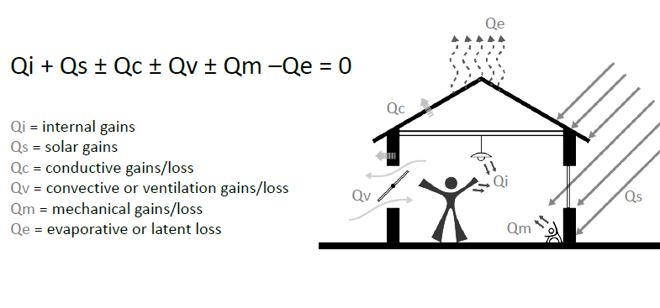
 |  | 1200 | 0.23333333333 | 25.25 | 0.1 | 707 | 29.458333333 | 78.359166667

 | Results of Manual Calculations
 | Zone Sensible Heat Needs per hour
 | Conduction Heat Transfer (W) | Convection Heat Transfer (W) | Solar Direct Heat Gain (W) | Solar Conductive HG (W) | Internal HG (W) | Thermal Mass (W)
 | 277.943932 | 239.4 | 0 | 0 | 126 | 309.51909409
 | Tot Sensible Heat/Cooling Needs (kW)
 | 0.95286302609

 | Energy plus results

Zone Air heat balance (lat+sens) | Zone Air Heat Balance Surface Convection Rate (W) | Zone Air Heat Balance Internal Convective Heat Gain Rate (W) | Zone Air Heat Balance Interzone Air Transfer Rate (W) | Zone Air Heat Balance Outdoor Air Transfer Rate (W) | Zone Air Heat Balance System Air Transfer Rate (W) | The Zone Air Heat Balance System Convective Heat Gain Rate (W) | Sum (W) | Zone Air Heat Balance Air Energy Storage Rate [W]
 |  |  |  |  |  |  | 0
 |  |  |  |  |  |  | Sum = Zone AHB Energy storage |  |  |  | Surface Inside Face Convection Heat Transfer Coefficient

Heat balance per opaque surface | Surface Average Face Conduction Heat Transfer Rate | Surface Outside Face Convection Heat Transfer Coefficient | Opaque area | Surface Outside Face Incident Solar Radiation Rate per Area | adsorption coef. Of ext wall | Site Outdoor Air Drybulb Temperature | Air sol Temperature | Conduction through walls | Glazing Area (m2) | Glass U value (W/m2K) |  |  | Surface Inside Face Temperature | Surface Heat Storage Rate
 | -499 |  |  |  |  |  |  |  |  |  |  |  |  | -1262

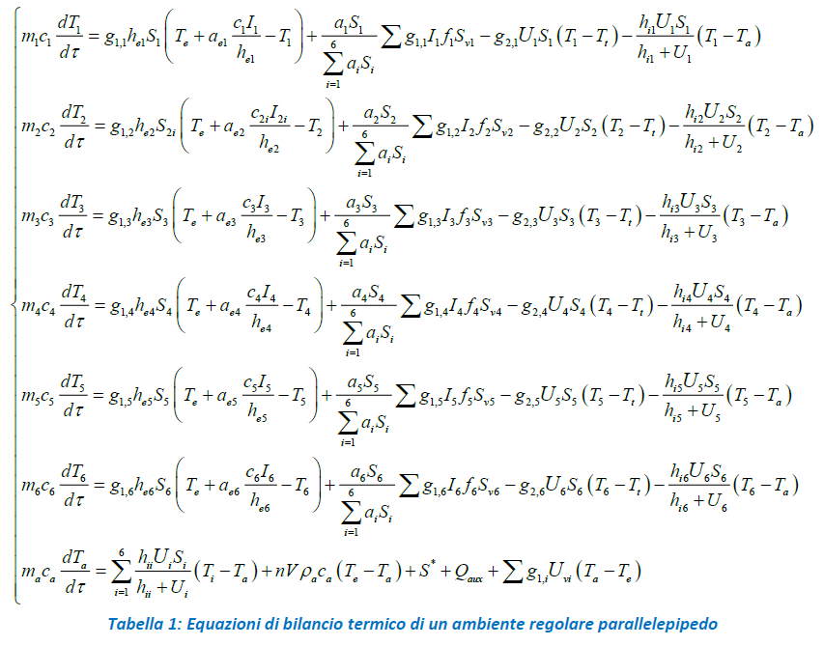
 | Zone Ideal Loads Zone Sensible Cooling Energy (J) | Zone Ideal Loads Zone Sensible heating Energy (J) | Zone Air Temperature (°C) | Zone Windows Total Heat Gain Energy (J) | Zone Windows Total Heat Loss Energy (J) | Lights Total Heating Energy (J) | Zone Electric Equipment Total Heating Energy (J) | Surface Heat Storage Energy (J)
Overall zone results (sensible) | 0 | 0 | 17.49 | 0 | -300675 | 71261.45 | 128270.5967

 | (W) | ( W) |  | (W) | ( W) | (W) | ( W) | ( W)
 | 0 | 0 |  | 0 | -83.520833333 | 19.794847222 | 35.630721306 | 0

 |  |  |  |  |  |  |  | Sotto l'ipotesi di zone termiche disaccoppiate termicamente, escludendo contributo della massa termica interna e flussi di massa (aira interna tra le zone).(rapp tec 2014 pag 14) Nell’equazione di equilibrio energetico dell’aria, sopra scritta, si ha a primo membro l’accumulo termico nell’aria e a secondo membro, in ordine, si hanno gli scambi termici per trasmissione con le pareti7, il calore di ventilazione, il calore per sorgenti interne e per sorgenti ausiliarie (positivo se per riscaldamento e negativo per raffrescamento) ed infine il flusso attraverso le porte e le finestre. (Si assume che nel tempo infinitesimo dt ci sia equilibrio termico)

